listing
1) ENGLISH ITEM NAME (ex : OOOO machine) | Tên tiếng Việt | 2) MANUFACTUROR (ex : OOO company) | 3) MODEL NO (ex : abc-123) | 4)Serial number | 5) VOLTAGE (ex : 220V) | 6) CAPACITY (ex :1200KW) | 7) Production date (yyyy-mm-dd) | 8) HS CODE (0000.00.00) | 9) ORIGIN (MADE IN JAPAN) | 10) NEW or USED (NEW) | 11) PICTURE (BEFORE PACKING) | 12) PICTURE (NAME PLATE) | 13)Quantity | 14)Total cost(USD) | 15)cost(USD) | 16)Issued qty | 17)CARTON NO | 18)CTN QTY | 19)G.W(KGS) | 20)N.W(KGS) | 21)L(cm) | 22)W(cm) | 23)H(cm) | 24)CBM | 25)应用范围 | 26)是否带电源 | 27)是否自行制造
Solder Pot | Lò thiếc | Zhongshan City Dongfeng Town KuaiGE Hardware Products Factory | 3525 | / | 220VAC | 3000W | 2022-08-25 |  | China | New |  |  | 2 | 400 | 200/set | 2 | P1/P2 | 2 | 20 |  | 48 | 38 | 70 | 0.128 | TEST USE | NO | No
PLC | Bộ điều khiển lập trình | MITSUBISHI Electric | FX1S-30MR-001 | / | 220VAC | 19W | 2021-06-20 |  | China | New | 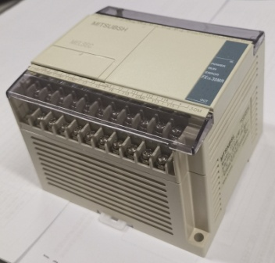 |  | 1 | 100 | 100/set | 1 | P3 | 1 | 13.7 |  | 40 | 32.5 | 28 | 0.037 | Repair | NO | NO
Electric screwdriver | Tua vít điện | Cixi Shuangai Industrial Co Ltd. | POL-SD1 | / | 24VDC | / | 2022-08-29 |  | China | New |  |  | 10 | 100 | 10/set | 10 | P3 | 1 |  |  |  |  |  |  | Assembly tool | NO | NO
low-frequency signal generator | Bộ phát sóng | KENWOOD | AG-203D | 09040297 | 220VAC | / | 2020-07-01 |  | TAIWAN | OLD |  | 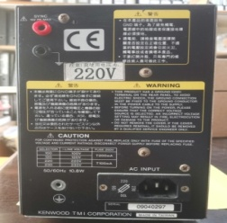 | 1 | 200 | 200/set | 1 | P3 | 1 |  |  |  |  |  |  | TEST USE | NO | NO
DC power(for GT-1) | Bộ nguồn một chiều | Techsen Electronics(ShenZhen)Co.,Ltd | / | / | 9VDC | 10W | 2022-08-02 |  | China | New | 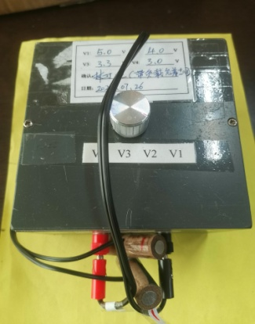 |  | 1 | 20 | 20/set | 1 | P3 | 1 |  |  |  |  |  |  | TEST USE | NO | YES
test weight(for GT-1) | Quả cân(trọng lượng mẫu) | Techsen Electronics(ShenZhen)Co.,Ltd | / | / | / | / | 2022-08-02 |  | China | New | 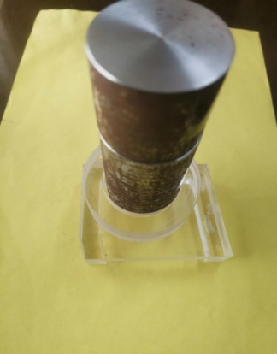 |  | 1 | 1 | 1/set | 1 | P3 | 1 |  |  |  |  |  |  | TEST USE | NO | YES
Audio frequency sweep signal generator | Máy phát tần số âm thanh | tonghui | TH1312-20 | S014210134 | 220VAC | 20W | 2022-08-02 |  | China | New |  |  | 1 | 200 | 200/set | 1 | P4 | 1 | 7.2 |  | 45 | 45 | 25 | 0.051 | TEST USE | NO | NO
BC-ARTISTB | JIG kiểm tra GA-FC | Techsen Electronics(ShenZhen)Co.,Ltd | / | / | 220V |  | 2022-08-29 |  | China | New | 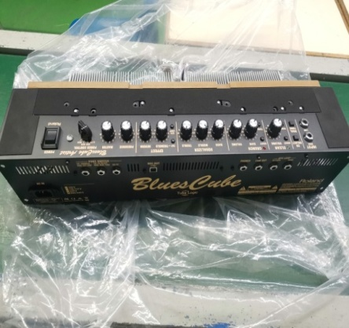 |  | 2 | 100 | 50/set | 2 | P5 | 1 | 9.8 |  | 61 | 48 | 22 | 0.065 | TEST USE | NO | YES
Speaker Box | Loa kéo | Techsen Electronics(ShenZhen)Co.,Ltd | CM-30 | / | 220V | 50W | 2022-08-22 |  | China | New | 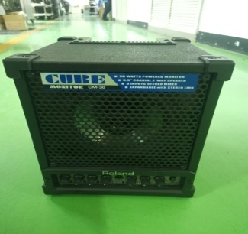 |  | 2 | 200 | 100/set | 2 | P6 | 1 | 13.2 |  | 54 | 37 | 26 | 0.052 | TEST USE | NO | YES （Note: Built-in speaker）

